Sheet1
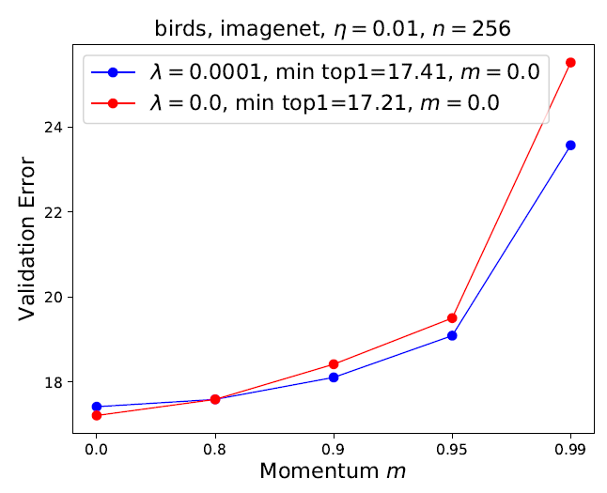
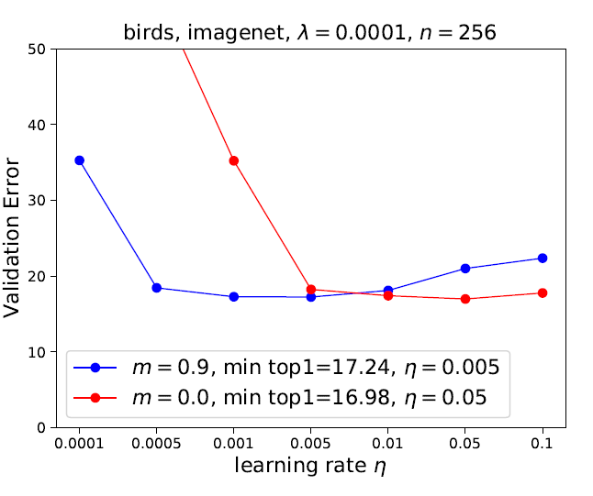

Ben |  |  | Ben
Ben's Experiment #1 |  |  | Ben's Experiment #2
Fixed parameters: |  |  | Fixed parameters:
Decay | 0.0001 |  | Learning rate | 0.01
Batch size | TBC | (paper uses 256) | Batch size | TBC | (paper uses 256)
epochs | TBC | (paper use 300 or 600) | epochs | TBC | (paper use 300 or 600)
Total Classes | 200 |  | Total Classes | 200

Variables: |  |  | Variables:
Red line: |  |  | Red line:
Momentum | 0 |  | Decay | 0
Learning rate | [0.1, 0.05, 0.01,0.005, 0.001, 0.0005, 0.0001] |  | Momentum | [0.0, 0.8, 0.9, 0.95, 0.99]

Blue line: |  |  | Blue line:
Momentum | 0.9 |  | Decay | 0.0001
Learning rate | [0.1, 0.05, 0.01,0.005, 0.001, 0.0005, 0.0001] |  | Momentum | [0.0, 0.8, 0.9, 0.95, 0.99]

Sam |  |  | Sam
Sam's Experiment #3 |  |  | Sam's Experiment #4
Fixed parameters: |  |  | Fixed parameters:
Decay | 0.0001 |  | Learning rate | 0.01
Batch size | 32 | (paper uses 256) | Batch size | 32 | (paper uses 256)
epochs | 300 or 600 (TBC) | (paper use 300 or 600) | epochs | 300 or 600 (TBC) | (paper use 300 or 600)
Total Classes | 20 |  | Total Classes | 200

Variables: |  |  | Variables:
Red line: |  |  | Red line:
Momentum | 0 |  | Decay | 0
Learning rate | [0.1, 0.05, 0.01,0.005, 0.001, 0.0005, 0.0001] |  | Momentum | [0.0, 0.8, 0.9, 0.95, 0.99]

Blue line: |  |  | Blue line:
Momentum | 0.9 |  | Decay | 0.0001
Learning rate | [0.1, 0.05, 0.01,0.005, 0.001, 0.0005, 0.0001] |  | Momentum | [0.0, 0.8, 0.9, 0.95, 0.99]

